Plots
SM 5 (C): Overlay of SARS-CoV-2 recurrent mutations with IRs in SARS-CoV-2 genome (left) and with CpG islands in SARS-CoV-2 (right) and comparison with random mutations (boxplots). One-sample t-test was used. *** indicates p-value < 0.001.

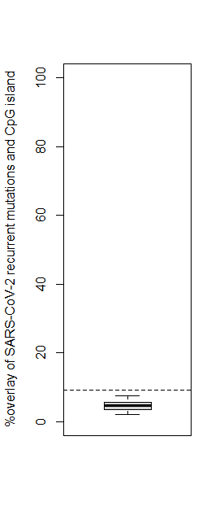
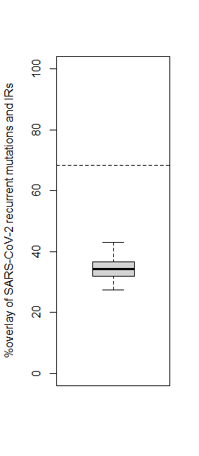

p-value < 2.2e-16
***
SARS-CoV-2

p-value < 2.2e-16
Random

***
SARS-CoV-2

Random

